Reagent cost
 |  | Vol of solution | 100 | L |  |  |  | 100

 |  | %excess | 1.2 | 2.25 |  |  |  |  |  |  |  | conc. |  | volume
 | 1 |  | 8 |  | 6 |  | 3 |  | 3 |  | feed |  |  | 100 | L/min | 2.1447866879
 | KIO3 | + | NaI | + | HClO4 | = | I3- |  | H2O |  | oxidant | 100 | mM | 100 | L
Conc (mM): | 40 |  | 600 |  | 200 |  | 100 | 10 |  |  | reductant | 100 | mM | 100 | L | 1178.264145
 |  |  |  |  | Limiting Rctnt |  |  |  |  |  | ligand | 100 | mM | 300 | L
 |  |  |  |  |  |  |  |  |  |  | change salt to be included in PGM feed Salt of conc 0.1 M
 |  |  |  |  |  |  |  |  |  |  |  |  |  |  |  | 0.305937
Chemicals | Formula | MW | mol (M) | kg | vol (L) | d (g/ml) | Unit Price | Unit | Price | Source
Dichloromethane | CH2Cl2 | 84.93 |  | 132 | 100 | 1.32 | 10 | $/kg | 1320 | https://www.chemicalbook.com/ProductList_En.aspx?kwd=dichloromethane
ox | KIO3 | 214.001 | 0.04 | 0.856004 | 100 |  | 10 | $/kg | 8.56004 | https://www.chemicalbook.com/ProductList_En.aspx?cbn=CB5854303
ox | NaI | 149.8942 | 0.6 | 8.993652 | 100 |  | 4 | $/kg | 35.974608 | https://www.chemicalbook.com/ProductList_En.aspx?cbn=CB6170714
ox | HClO4 | 100.46 | 0.2 | 2.0092 | 100 |  | 63.5 | $/L | 127.5842 | https://scifinder-n.cas.org/searchDetail/catalogItem/698a4af308f8b56fea0b2a9f/catalogItemDetails
 |  |  |  |  |  |  |  |  |  | Perchloric acid, 0.1N in Acetic Acid Standardized Solution
red | K4Fe(CN)6∙3H2O | 422.39 | 0.1 | 4.2239 | 100 |  | 10 | $/kg | 42.239 | https://scifinder-n.cas.org/searchDetail/catalogItem/698a50ae08f8b56fea0b847a/catalogItemDetails
salt | NaCl | 58.44 | 0.1 | 0.5844 | 100 |  | 2 | $/kg | 1.1688 | https://www.chemicalbook.com/ProductList_En.aspx?cbn=CB4104636
ddFc | C34H58Fe | 522.68 | 0.1 | 15.6804 | 300 |  | 305.12063344 | $/kg | 4784.4135806
FeCl2 |  | 126.75 |  |  |  |  | 1 | $/kg |  | https://www.chemicalbook.com/ChemicalProductProperty_EN_CB5411955.htm
 |  |  |  |  |  |  |  | sum | 6319.9402286

deFc |  | 412.21 | 0.1 |  |  |  | 3267.1774375 | $/kg

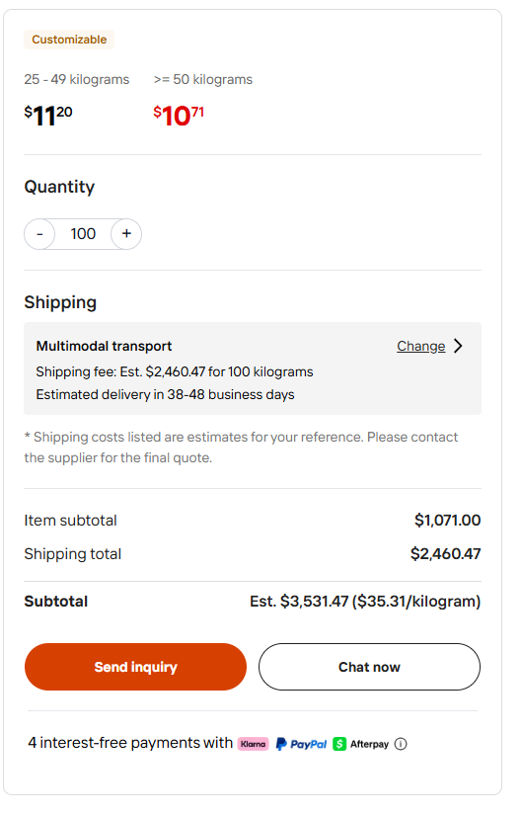
 |  |  |  |  |  |  |  | DCM 1% makeup, ligand 2% makeup
 |  |  |  |  |  |  | reagent opex |  | 32666.481484 | $/year
 | 50% wt perchloric acid
35.31 | https://www.alibaba.com/product-detail/inorganic-acid-perchloric-acid-50-Purity_1601345200625.html?spm=a2700.7724857.0.0.798331f2XzNuo4

Chemicals | Formula | Unit Price | units
Dichloromethane | CH2Cl2 |  | $/L
ox | KIO3 | 2.14001 | $/mol
ox | NaI | 0.5995768 | $/mol
ox | HClO4 | 70.62 | $/kg pure

red | K4Fe(CN)6∙3H2O | 4.2239 | $/mol
salt | NaCl | 0.11688 | $/mol
ddFc | C34H58Fe | 159.48045269 | $/mol
FeCl2 |  |  | $/mol

Oxidant Feed Composition
Chemical

 |  |  | Vol of solution | 100 | L | Mols Water Init --> | 5550.84

 |  |  | Water generated is negligible relative to vol--> can assume constant volume

x excess: | 1.2 |  | 2.25
Stoich: | 1 |  | 8 |  | 6 |  | 3 |  | 3 |  | 6 |  | Assume K is analogous with Na for Atom balance check purposes
 | NaIO3 | + | NaI | + | HClO4 | = | NaI3 | + | H2O | + | NaClO4 |  | NaIO3 should really be KIO3, but we will use Na as a placeholder for all cations, so K4[Fe(CN)_6] will be assumed to be Na4[Fe(CN)_6]
Conc (mM): | 40 |  | 600 |  | 200 |  | 100 |  | 100 |  | 200
conc (M): | 0.04 |  | 0.6 |  | 0.2 |  | 0.1 |  | 0.1 |  | 0.2
I (mol): | 4 |  | 60 |  | 20 |  | 0 |  | 0 |  | 0
delta (mol): | -3.3333333333 |  | -26.666666667 |  | -20 |  | 10 |  | 10 |  | 20
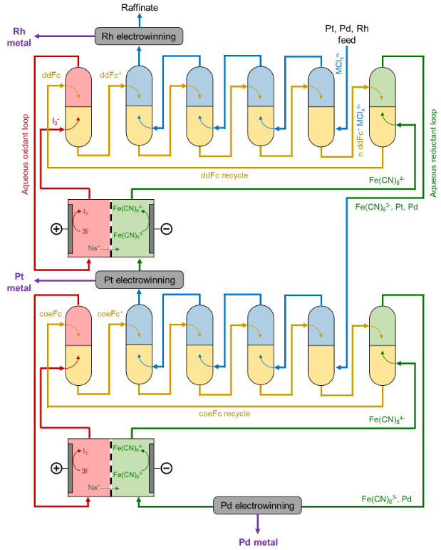
F (mol): | 0.66666666667 |  | 33.333333333 |  | 0 |  | 10 |  | 10 |  | 20
F Conc (M) | 0.0066666666667 |  | 0.33333333333 |  | 0 |  | 0.1 |  | 0.1 |  | 0.2

Chemicals In Process | Description |  |  |  |  |  |  |  |  |  |  | Oxidant Feed Tank Composition
H2[PtCl_6] | Chloroplatinic Acid in OG Leachate Feed |  |  |  |  |  |  |  |  |  |  | Chemical | Conc [M] | MW [g/mol]
Na2[PdCl_4] | Chloropalladic Acid in OG Leachate Feed |  |  |  |  |  |  |  |  |  | really K | NaIO3 | 0.0066666666667 | 214.001 | Kio3 MW
Na3[RhCl_6] | Chlororhodic Acid in OG Leachate Feed |  |  |  |  |  |  |  |  |  |  | NaI | 0.33333333333 | 149.89
HCl | Will Likely Be in Feed Leachate. Inert in eLLE |  |  |  |  |  |  |  |  |  |  | NaI3 | 0.1
NaCl | Will Likely Be in Feed Leachate. Also in aqueous reduction loop. Inert in eLLE |  |  |  |  |  |  |  |  |  |  | NaClO4 | 0.2
KIO3 | Enters in Aqueous Oxidant Loop |  |  |  |  |  |  |  |  |  |  | Cost For 100 L of Feed Solution [$] | 186.424352
NaI | Enters in Aqueous Oxidant Loop |  |  |  |  |  |  |  |  |  |  | Cost Ox Fresh Feed [$/L] | 1.86424352
NaI3 | Enters in Aqueous Oxidant Loop |  |  |  |  |  |  |  |  |  |  | Cost per mol NaI3- [$/mol] | 18.6424352
NaClO4 | Enters in Aqueous Oxidant Loop |  |  |  |  |  |  |  |  |  |  | HClO4 |  | 100.46
 |  |  |  |  |  |  |  |  |  |  |  | Cost Ox Fresh Feed +50% ClO4 Price [$/L] | 2.57369204
 |  |  |  |  |  |  |  |  |  |  |  | Cost Ox Fresh Feed -50% ClO4 Price [$/L] | 1.154795

 |  |  |  | assume ddFc of 1.89 mol/min (3 stages S1)
 |  |  |  | 9.45 | 0.062999999994

 | NaClO4 | + | NaI3 | + | ddFc | = | ddFcClO4 | + | NaI
 | 1 |  | 0.50 |  | 1 |  | 1 |  | 1.5
I (mol/min) | 1.89 |  | 1.134 |  | 1.89 |  | 0 |  | 3.78
delta (mol/min) | -1.89 |  | -0.945 |  | -1.89 |  | 1.89 | 0 | 2.835
F (mol/min) | 0 | 0 | 0.189 | 0 | 0 | 0 | 1.89 | 0 | 6.615

CAPEX+OPEX
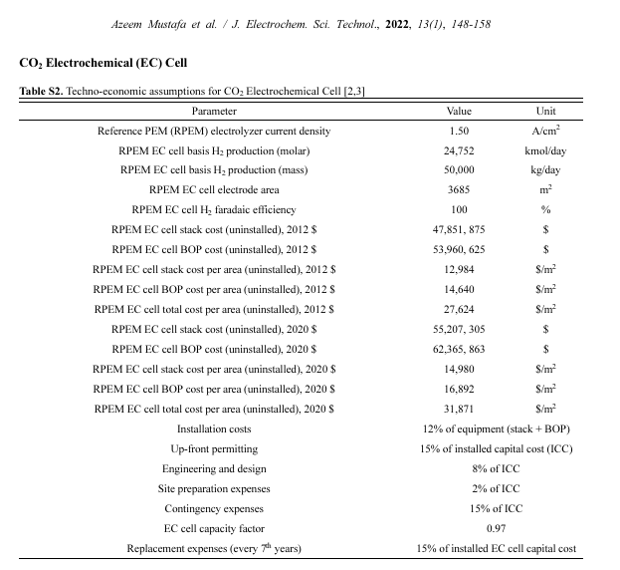
Electrolyzer unit |  |  | 00 21-0083-SI.fm |  |  |  |  |  |  |  |  | Executive summary – Global Hydrogen Review 2025 – Analysis - IEA
CAPEX |  |  |  |  |  |  |  |  |  |  |  | The cost of making and installing an electrolyser outside of China in 2024 was USD 2 000 to USD 2 600 per kilowatt (kW)
oxidant/reductant conc |  | 0.1 | mol/L
volume |  | 100 | L |  |  |  |  |  |  |  |  | Economics of converting renewable power to hydrogen | Nature Energy
Q |  | 964850 | C |  |  |  |  |  |  |  |  | Electrolyzer capital cost $550/kW-2640/kW
current density |  | 4 | A/m2 | 0.4 | mA/cm2
cell voltage |  | 0.5 | V |  |  |  |  |  |  |  |  | Electrolyzer energy dominates separation costs in state-of-the-art CO2 electrolyzers: Implications for single-pass CO2 utilization: Joule
area |  | 0.0005 | m2

electrolyzer cost per area |  | 31871 | $/m2
electricity |  |  | $/kWh

A=I/j=0.25I (m2)
 |  |  |  |  |  |  |  |  |  |  | ICC=1.12(electrolyzer)+(0.15+0.08+0.02+0.15)(ICC)
operating days |  | 300 | days/year
operating hours |  | 7200 | h/year

Pilot scale: 100 L/min feed |  |  |  |  |  | Plant scale: 10000 L/min feed
pilot scale area |  | 4 | m2 |  |  | plant scale area |  | 400 | m2
current |  | 20 | A | 0.5 mA/cm2 |  | current |  | 2000 | A | j | 0.5 mA/cm2
power |  | 0.01 | kW |  |  | power |  | 1 | kW

Electrolyzer |  | 127488 | $ |  |  | Electrolyzer |  | 12748400 | $ |  |  |  |  |  | 4m2 | 400m2
 |  |  |  |  |  |  |  |  |  |  |  | Cell stack cost |  | 14980 | 59920 | 5992000
Installation |  | 12 | % of equipment |  | 15298.56 | Installation |  | 12 | % of equipment |  | 1529808 | Balance of plant cost |  | 16892 | 67568 | 6756800
up-front permitting |  | 15 | % of installed capital cost |  | 35696.64 | up-front permitting |  | 15 | % of installed capital cost |  | 3569552
Engineering & design |  | 8 | % of ICC |  | 19038.208 | Engineering & design |  | 8 | % of ICC |  | 1903761.0667
site prep |  | 2 | % of ICC |  | 4759.552 | site prep |  | 2 | % of ICC |  | 475940.26667 | ICC |  |  | 237977.6 | 23797013.333
contingency |  | 15 | % of ICC |  | 35696.64 | contingency |  | 15 | % of ICC |  | 3569552

CAPEX |  | 237977.6 | $ |  |  | CAPEX |  | 23839508 | $

OPEX
Electricity | 0.07 | $/kWh |  | Sustainable waste-nitrogen upcycling enabled by low-concentration nitrate electrodialysis and high-performance ammonia electrosynthesis - EES Catalysis (RSC Publishing)

Electricity price |  | 5.04 | $/year |  |  | Electricity price |  | 504 | $/year
Replacement cost |  | 15 | % of ICC |  |  | Replacement cost |  | 15 | % of ICC
(every 7year) |  | 5099.52 | $/year |  |  | (every 7year) |  | 510846.6 | $/year
fixed operation and maintenance |  |  | 3% of CAPEXassumed |  |  | fixed operation and maintenance |  |  | 3% of CAPEXassumed
 |  | 7139.328 | $/year |  |  |  |  | 715185.24 | $/year

OPEX |  | 12243.888 | $/year |  |  | OPEX |  | 1226535.84 | $/year

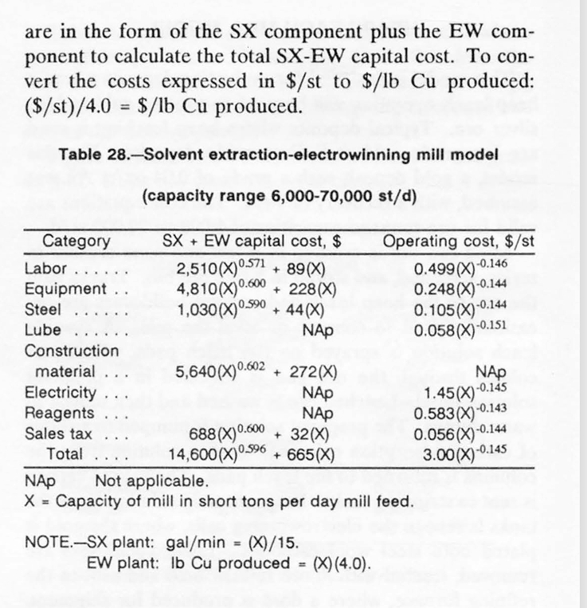
Solvent extraction+electrowinning unit |  |  |  |  | report.pdf
 |  |  |  |  |  |  |  |  |  |  | SX plants are usually expressed in gallons per min ute (gal/min)
6000-70000 st/d ore tonnage capacity |  |  |  |  |  |  |  |  |  |  |  | 1 liter | 0.264172 | gallon
0.4% Cu and recovery of 50% |  |  |  | assumption
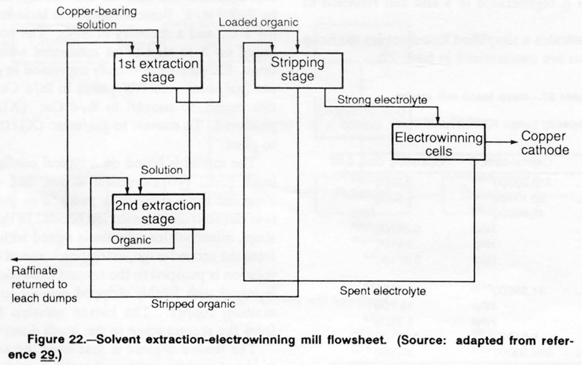
 |  |  |  |  |  |  |  |  |  |  | 100 | L/min | = | 396.258 | st/d

 |  |  |  |  |  |  |  |  |  |  | 6000 | 70000 | st/d
site development |  |  |  |  |  |  |  |  |  |  | 1514.1650137 | 17665.258493 | L/min
utility installation
pregnant leach solution pumps
raffinate pond
mixer-settlers
organic tanks and pumps
initial fill of diluent and extractant

Pilot scale: 100 L/min feed |  |  | 396.258 |  |  |  | Plant scale: 10000 L/min feed |  |  | 39625.8 |  | 3.9625826529
 |  | SX+EW capex |  | SX+EW opex | $ |  |  |  | SX+EW capex |  | SX+EW opex | $
Labor |  | 166516.33368 |  | 0.20835107776 | 24768.234411 |  | Labor |  | 4586240.6578 |  | 0.10636426694 | 1264430.7507
Equipment |  | 428244.29995 |  | 0.10479555031 | 12457.822552 |  | Equipment |  | 11794827.43 |  | 0.053993669344 | 641862.70281
Steel |  | 82607.801817 |  | 0.044369083801 | 5274.4813226 |  | Steel |  | 2275207.7888 |  | 0.022860222908 | 271756.38627
Lube |  |  |  | 0.02350354164 | 2794.039921 |  | Lube |  |  |  | 0.011725552325 | 139390.31739
Construction |  | 511355.71172 |  |  |  |  | Construction |  | 14083905.788 |  |  | 0
Electricity |  |  |  | 0.60906155361 | 72403.653933 |  | Electricity |  |  |  | 0.31236415132 | 3713303.8162
Sales tax |  | 60373.486382 |  | 0.02366351136 | 2813.0567054 |  | Sales tax |  | 1662823.8911 |  | 0.012192118884 | 144936.73934

total | CAPEX | 1249097.6335 | $ | OPEX | 120511.28884 | $/year | total | CAPEX | 34403005.556 | $ | OPEX | 6175680.7127 | $/year

reagent |  |  |  | 0.24783217858 | 29461.645025 |  | reagent |  |  |  | 0.12827962881 | 1524954.8746
 |  |  |  | sum | 149972.93387 |  |  |  |  |  | sum | 7700635.5873

scale factor |  | 0.72
Development of techno-economic models for assessment of solvent-based bitumen extraction technology - ScienceDirect
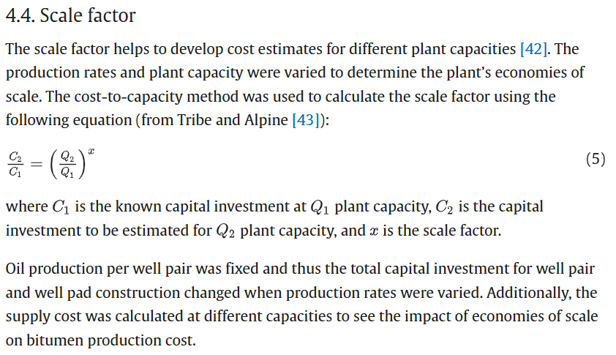

 |  |  |  |  |  |  | https://www.training.itservices.manchester.ac.uk/public/gced/CEPCI.html?reactors/CEPCI/index.html

baseline SX fraction of 60% assumed for SX only cost, electricity 20% assumed
Pilot scale: 100 L/min feed |  |  | 396.258 |  |  |  | Plant scale: 10000 L/min feed |  |  | 39625.8
 |  | SX capex |  | SX opex | $ |  |  |  | SX capex |  | SX opex | $
Labor |  | 99909.800206 |  | 0.12501064665 | 14860.940646 |  | Labor |  | 2751744.3947 |  | 0.063818560167 | 758658.45044
Equipment |  | 256946.57997 |  | 0.062877330186 | 7474.6935315 |  | Equipment |  | 7076896.4577 |  | 0.032396201607 | 385117.62169
Steel |  | 49564.68109 |  | 0.02662145028 | 3164.6887936 |  | Steel |  | 1365124.6733 |  | 0.013716133745 | 163053.83176
Lube |  |  |  | 0.014102124984 | 1676.4239526 |  | Lube |  |  |  | 0.0070353313948 | 83634.190436
Construction |  | 306813.42703 |  |  |  |  | Construction |  | 8450343.4731
Electricity |  |  |  | 0.12181231072 | 14480.730787 |  | Electricity |  |  |  | 0.062472830264 | 742660.76324
Sales tax |  | 36224.091829 |  | 0.014198106816 | 1687.8340232 |  | Sales tax |  | 997694.33468 |  | 0.0073152713305 | 86962.043607
Reagent |  | 2847.819324 |  |  | 11833.756056 |  | Reagent |  | 284781.9324 |  |  | 1183375.6056

total | CAPEX | 752306.39945 | $ | OPEX | 55179.06779 | $/year | total | CAPEX | 20926585.266 | $ | OPEX | 3403462.5068 | $/year

 |  |  |  | 2021 | Reactor Correlation Source: | https://www.mdpi.com/1996-1073/14/9/2665?type=check_update&version=1
 |  |  |  |  | CEPCI | https://www.training.itservices.manchester.ac.uk/public/gced/CEPCI.html?reactors/CEPCI/index.html
 |  |  |  |  | 2025 src | https://www.chemengonline.com/plant-cost-index-beta/
 |  |  |  |  | 1992 | 358.2
 |  |  |  |  | 2021 | 708.8
 |  |  |  |  | 2025 | 836
 |  |  |  |  |  |  |  |  |  | 277110.03307
 |  |  |  |  | $/L
 |  |  |  | Process Water | 0.00027 | SSL

 |  |  |  | 15% more than rctr cost (5% for the site prep, 10% for the startup, (assume labor included in the SX))
 |  |  |  | 1.15x

 |  |  |  |  |  | 1086.1600939

